User guide
Thank you for using the SABR!

In this Excel file, you will use the Scoring tab to calculate your coders' reliability.
We recommend you save a version of this file for each coder by going to File > Save As…

1 | Copy each individual coder's completed coding sheet. Paste as plain text into a new sheet. It is very important that you paste as plain text!

2 | Find and replace all "-" as "X" by using Ctrl+F and filling in these details in the pop-up box:
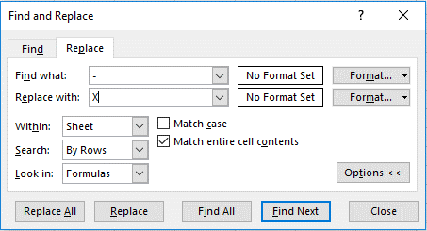

 |  | Note: You must select "Match entire cell contents" or you will replace ALL hyphens with Xes, which will have implications in the next step.
 | Put an X in any blank cells.
3 | There are 3 columns for each code:
 |  | ● Master codes - Agreed upon by the developers
 |  | ● Your coder's codes - You will paste into these columns
 |  | ● Agreement - This column has formulas embedded that will return a 1 for agreement and a 0 for disagreement
 | Carefully copy/paste each column of codes into the scoring sheet into the appropriate columns.

4 | The scoring sheet will automatically calculate the coder's reliability. The formula embedded is as follows: (agreements*2)/(agreements*2)+(disagreements). 1

5 | Give feedback to your coders about individual codes with low agreement with master codes. You can find this in Row 378.

Notes | ● We suggest having coders complete a minimum of two transcripts and reach overall reliability of ≥85% to be considered reliable. Discuss the threshold with your principal investigator.
 | ● Create a table that tracks all coders' attempts so you can note any trends (for example, if all coders have low agreement on the Event Reference code, you might re-train). Again, this is in Row 378.

1

